Baking
earned | possible | cell | error |  | Joe Bobcat | Press F9 to grade | Feedback ON | Cheer | earned | possible | cell | error | Joe Bobcat | Press F9 to grade
0 | 8 |  |  |  |  |  |  |  | 0 | 8
Percentile
Amira competes in a national baking competition. Evaluate her performance relative to the competition.

 |  |  |  | Amira
 |  |  | What is the average score of participants?
 |  |  | What is the average deviation from that average?
 |  |  | What is her raw score?
 |  |  | What is her Z score?
 |  |  | What is her percentile?

 |  |  | What percent of participants scored between 67 and 83
 |  |  | What percent of participants scored 75 or less?
 |  |  | What percent of participants scored higher than Amira?

Dogs
earned | possible | cell | error |  | Joe Bobcat | Press F9 to grade | Feedback ON | Cheer | earned | possible | cell | error | Joe Bobcat | Press F9 to grade
0 | 8 |  |  |  |  |  |  |  | 0 | 8
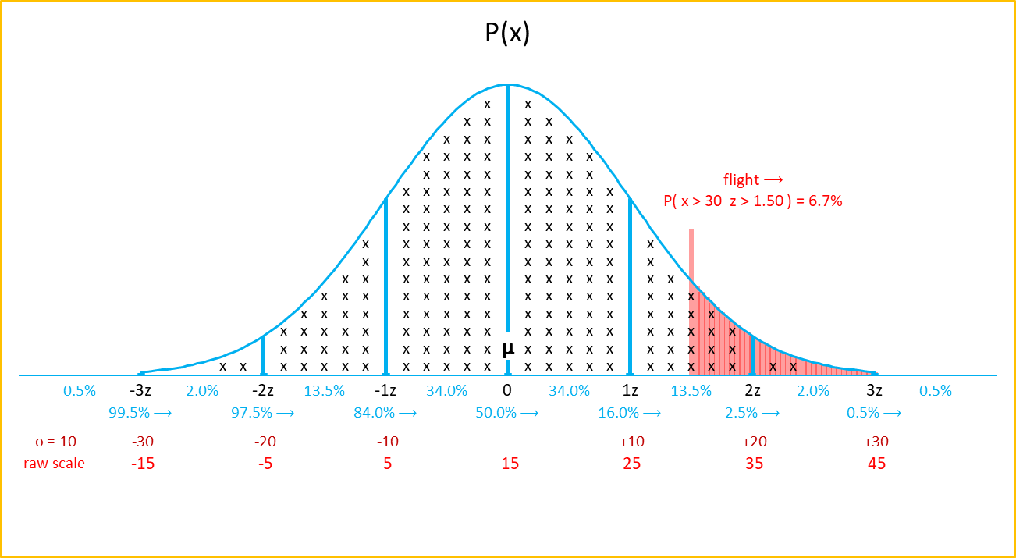
Percent above
Lena volunteers at a local animal shelter and is evaluating Bruno, a bulldog. Evaluate how Bruno's weight compares to other adopted dogs.

 |  |  |  | Bruno
 |  |  | What is the average weight of adopted dogs?
 |  |  | What is the average deviation from that average?
 |  |  | What is Bruno's weight
 |  |  | What is Bruno's Z score?
 |  |  | What percentage of dogs weigh more than Bruno?

 |  |  | What percent of adopted dogs weight between 5 and 45?
 |  |  | What percent of adopted dogs weigh 45 pounds or more?
 |  |  | What percentage of adopted dogs weigh at or below the mean?

Violin
earned | possible | cell | error | Joe Bobcat | Press F9 to grade | Feedback ON | Cheer | earned | possible | cell | error | Joe Bobcat | Press F9 to grade
0 | 7 |  |  |  |  |  |  | 0 | 7

Find X Kayla is auditioning for a national violin showcase. At what minimum score would she place in the top 1%.
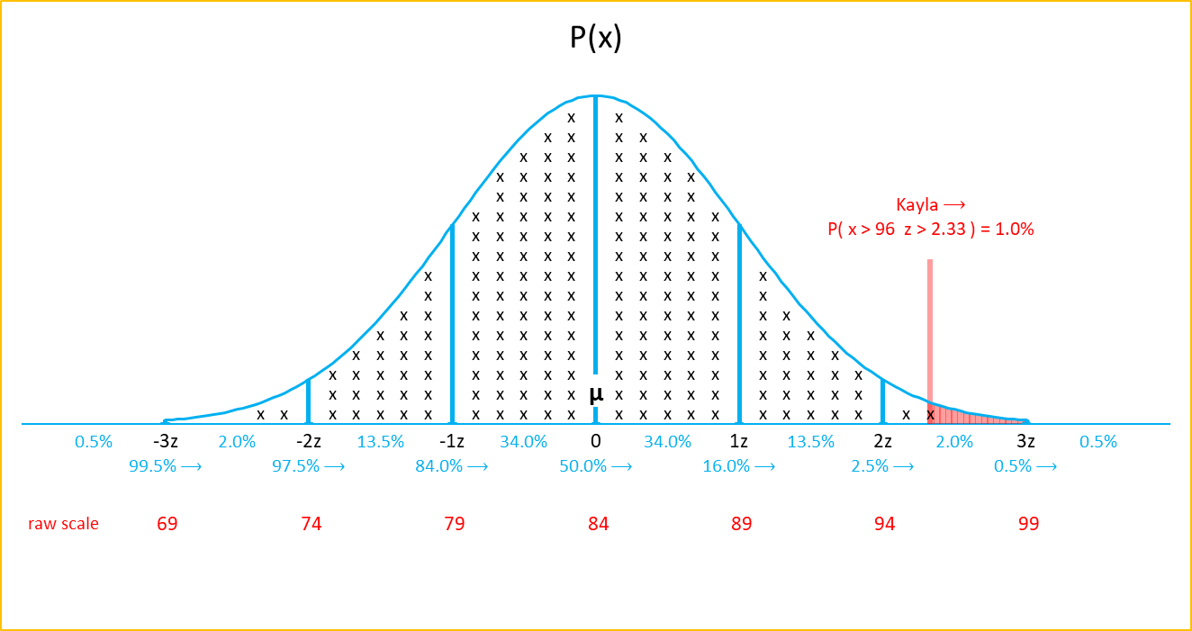

 |  |  | What is the average score of competitors?
 |  |  | What is the average deviation from that score?
 |  |  | What is Kayla’s raw score?
 |  |  | What is Kayla’s z score?
 |  |  | What percentage of scores are greater than or equal to Kayla’s?

 |  |  | What percent of competitors scored between 79 and 89?
 |  |  | What percent of competitors scored 94 or more?

Placement
earned | possible | cell | error |  |  |  |  | Joe Bobcat | Press F9 to grade | Feedback ON | Cheer | earned | possible | cell | error | Joe Bobcat | Press F9 to grade
0 | 18 |  |  |  |  |  |  |  |  |  |  | 0 | 18

Top Placement
Nia and Devon are competing in two separate pitch competitions for social impact startups.
Based on score distributions alone, who has a better shot at qualifying for the fast track?

 |  |  |  |  | Nia | Devon | Highest?
 |  |  |  | What is the average score for each compeition?
 |  |  |  | What is the standard deviation from each average?
 |  |  |  | Raw scores?
 |  |  |  | Z scores?
 |  |  |  | Percentiles? (subtract from 100%)

 |  |  |  | Better shot at qualifying?
 |  |  |  | What percentage of competitors scored higher than Nia?
 |  |  |  | What percentage of competitors scored higher than Devon?

Strongest
earned | possible | cell | error |  |  |  | Joe Bobcat | Press F9 to grade | Feedback ON | Cheer | earned | possible | cell | error | Joe Bobcat | Press F9 to grade
0 | 18 |  |  |  |  |  |  |  |  |  | 0 | 18

Strongest Performer
Logan and Priya are both auditioning for music conservatories. Describe who performed better relative to others who took the same test and explain where each performer’s score falls within their respective score distributions.
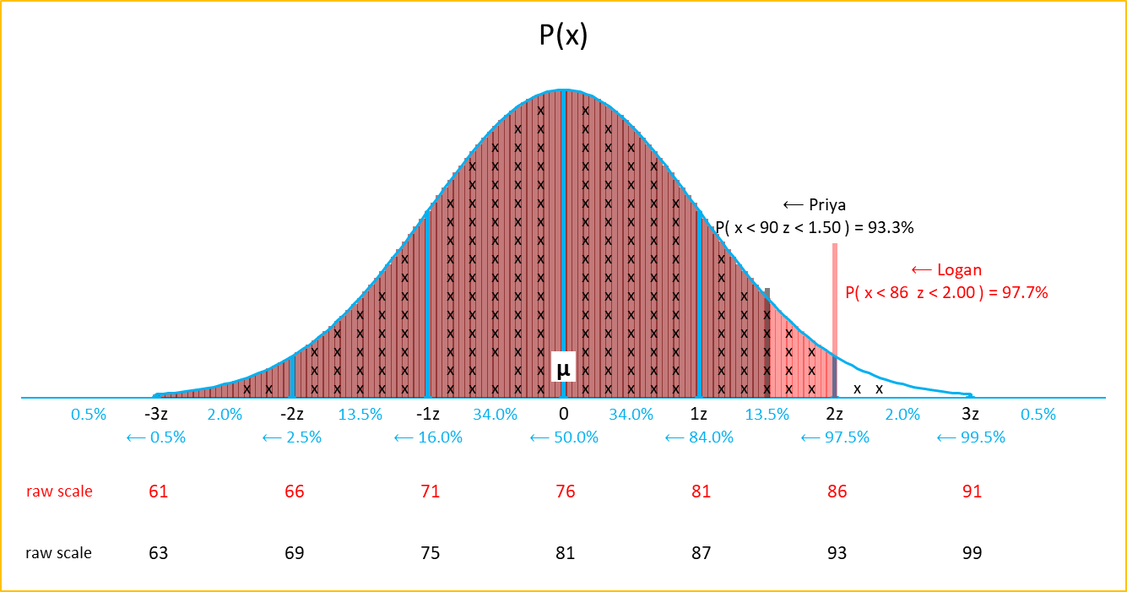

 |  |  |  | Logan | Priya | Highest?
 |  |  | What is the average score for each audition?
 |  |  | What is the standard deviation from each average?
 |  |  | Raw scores?
 |  |  | Z scores?
 |  |  | Percentile?

 |  |  | Best performer relative to their division?
 |  |  | What percentage of auditioners scored higher than Priya?
 |  |  | Which audition places a smaller percentage of competitors above the performer’s score?

Delivery Time
earned | possible | cell | error |  |  |  |  | Joe Bobcat | Press F9 to grade | Feedback ON | Cheer | earned | possible | cell | error | Joe Bobcat | Press F9 to grade
0 | 18 |  |  |  |  |  |  |  |  |  |  | 0 | 18
Delivery Times
A national fashion retailer is reviewing delivery performance from one of its regional warehouses. Based on the distribution of delivery times alone, which deliveries would be considered typical, excluding both unusually fast and unusually slow orders?
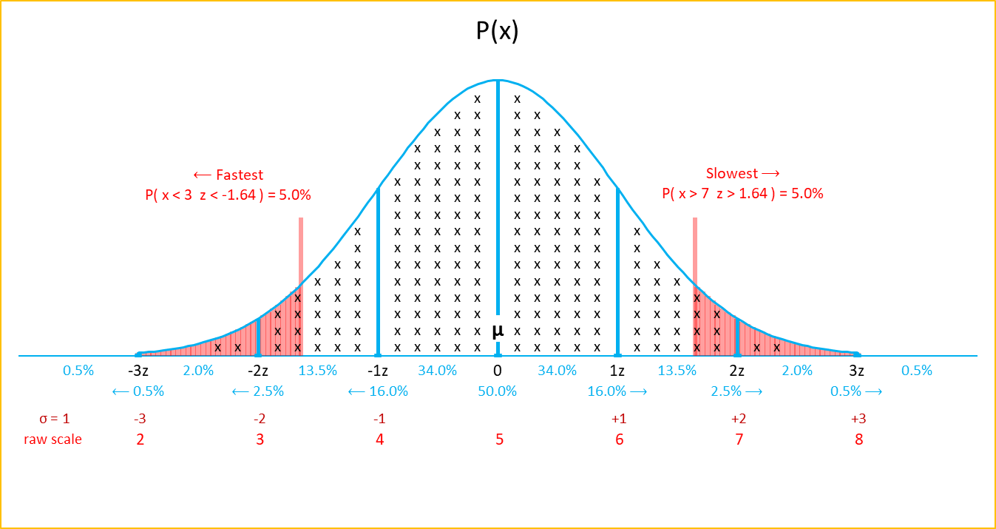

 |  |  |  |  | Fastest Deliveries | Slowest Deliveries | Highest?
 |  |  |  | What is the population mean?
 |  |  |  | What is the expected variability?
 |  |  |  | Raw delivery time
 |  |  |  | Z score
 |  |  |  | Percentiles? (subtract from 100%)

 |  |  |  | What percentage of deliveries fall outside the typical range shown on the graph?
 |  |  |  | What percentage of deliveries fall between the mean and the slowest cutoff?
 |  |  |  | What percentage does the middle portion represent?

Bonus
earned | possible | cell | error |  |  |  |  | Joe Bobcat | Press F9 to grade | Feedback ON | Cheer | earned | possible | cell | error | Joe Bobcat | Press F9 to grade
0 | 19 |  |  |  |  |  |  |  |  |  |  | 0 | 19
Bonus
BrightBloom and CloudForge are two student-run startups that award conference travel grants to top-performing interns. At each company, bonuses follow a normal distribution, and only interns above a certain cutoff qualify for the grant. Based on the bonus distributions alone, what bonus level is required to qualify at each company, and which company allows an intern to earn less and still qualify?
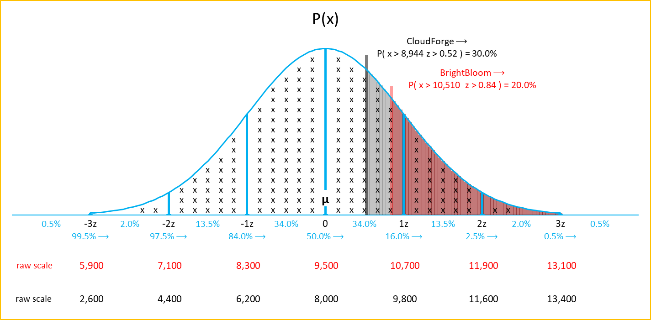

 |  |  |  |  | BrightBloom | CloudForge | Highest?
 |  |  |  | What is the population mean?
 |  |  |  | What is the expected variability?
 |  |  |  | Raw delivery time
 |  |  |  | Z score
 |  |  |  | What percentage is above the cutoff?

 |  |  |  | Which company allows you to earn less and still qualify?
 |  |  |  | What percent of BrightBloom interns earned bonuses?
 |  |  |  | What percent of CloudForge interns earned bonuses?
 |  |  |  | Which company places the cutoff farther into the tail?

Lumens
earned | possible | cell | error |  |  |  |  | Joe Bobcat | Press F9 to grade | Feedback ON | Cheer | earned | possible | cell | error | Joe Bobcat | Press F9 to grade
0 | 19 |  |  |  |  |  |  |  |  |  |  | 0 | 19
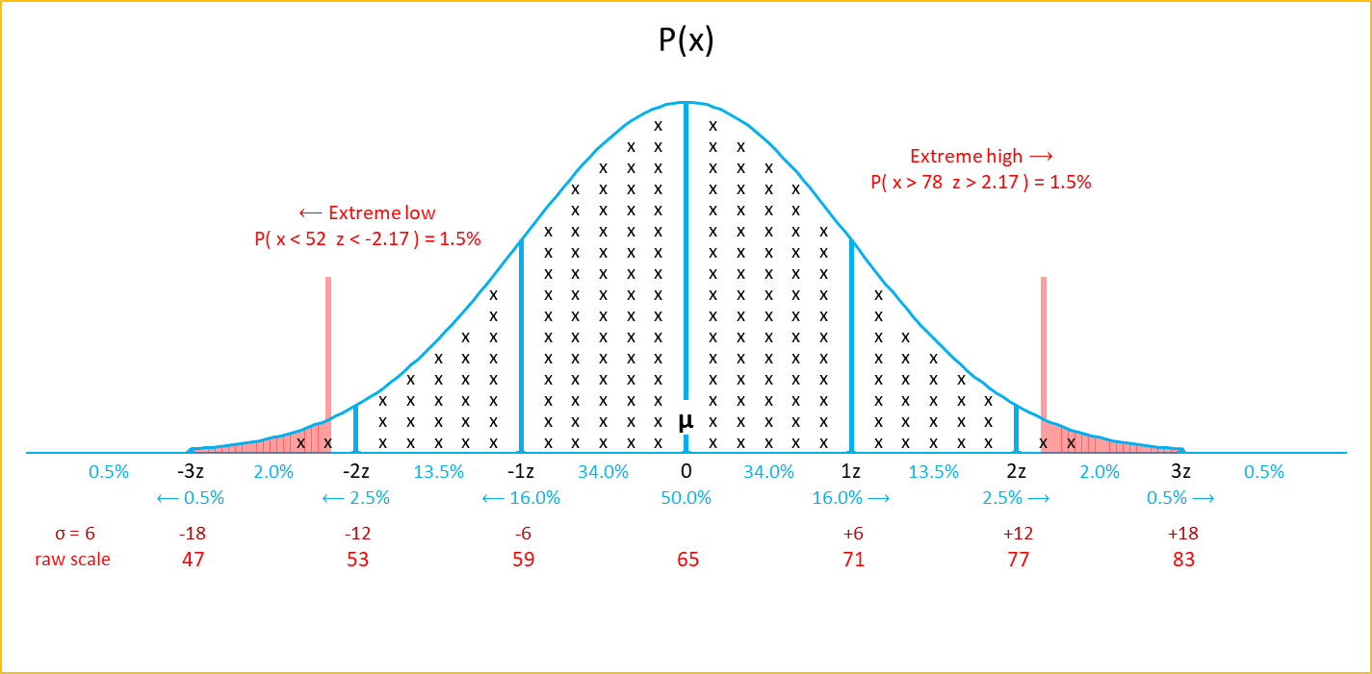
Brightness Levels
Streamlytix is evaluating screen brightness levels during beta testing of a new mobile app. Brightness values follow a normal distribution, and sessions that fall far below or far above typical levels are flagged. Based on the brightness distribution alone, what proportion of user sessions would be considered either underlit or overexposed?

 |  |  |  |  | Extreme low | Extreme high | Highest?
 |  |  |  | What is the population mean?
 |  |  |  | What is the expected variability?
 |  |  |  | Raw delivery time
 |  |  |  | Z score
 |  |  |  | What percentage is more extreme than the cutoff? (further away from the mean)

 |  |  |  | What percent of sessions fall between the mean and the overexposed cutoff?
 |  |  |  | What percent of sessions are more extreme than the cutoffs shown?
 |  |  |  | What percent of sessions fall between the two cutoffs shown on the graph?
 |  |  |  | Are extreme low sessions more common than extreme high sessions?

